Case Study -->
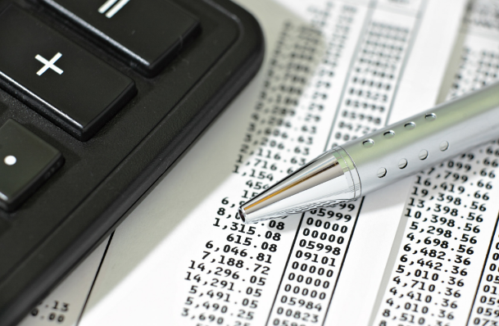

Case Study -->

Transactions
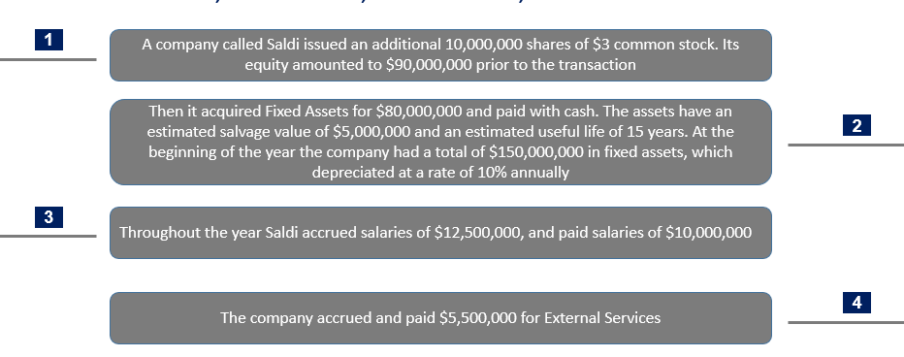
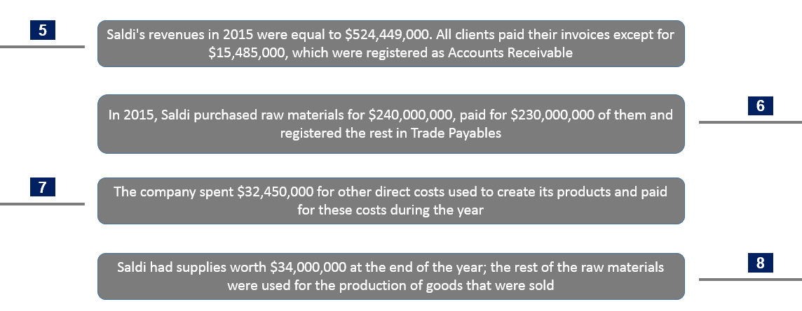
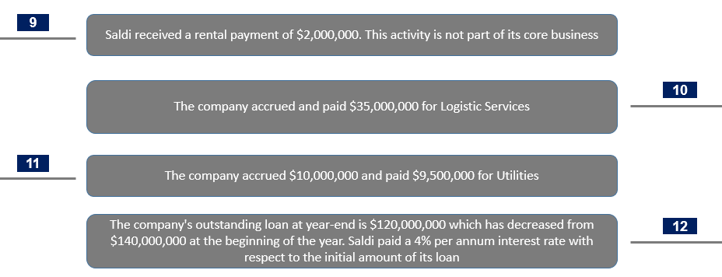
Starting from the Balance Sheet at 31st December 2014, consider the accounting impact of the following transactions that occurred in
2015 and complete the empty sheets “Debits & Credits”, “T-accounts BS”, “T-accounts P&L”, “BS 2015” and “P&L 2015”

